Skyscanner Test Cases
Test Case ID | Test Scenario | Test Steps | Test Data | Expected Result | Actual Result | Status (Pass/Fail) | Screenshot
TC_01 | Search one-way flight | 1. Open Skyscanner website 2. Select One-way 3. Enter From & To cities 4. Select future date 5. Click Search | From: Delhi To: Mumbai Date: 15-Apr-2026 | List of available flights displayed | As expected | Pass | 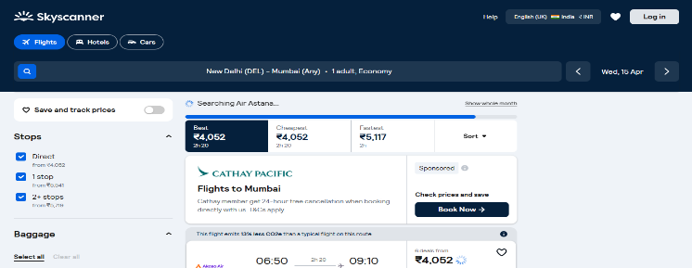
TC_02 | Search round-trip flight | 1. Select Round-trip 2. Enter cities 3. Select departure & return dates 4. Click Search | Delhi – Bangalore 10-May-2026 to 20-May-2026 | Round-trip flights displayed | As expected | Pass | 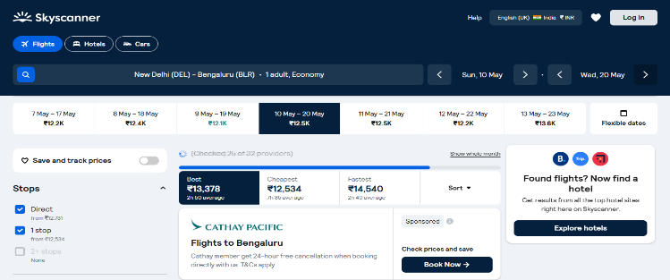
TC_03 | Search with multiple passengers | 1. Enter route 2. Select 2 Adults 3. Click Search | Kochi – Dubai 2 Adults | Flights displayed for 2 passengers | As expected | Pass | 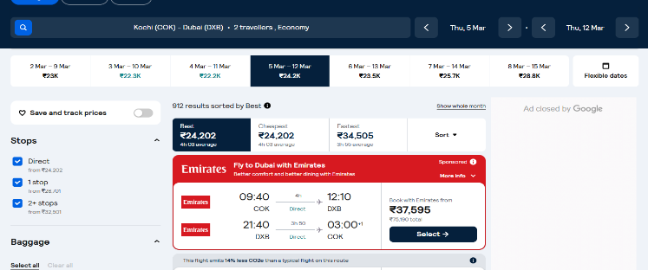
TC_04 | Filter by price range | 1. Perform search 2. Apply price filter slider | Price: ₹3000–₹6000 | Flights within selected price range displayed | As expected | Pass | 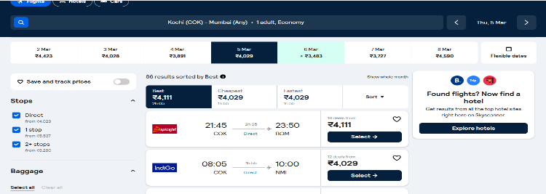
TC_05 | Filter by departure time | 1. Search flight 2. Apply morning filter | Morning (6 AM–12 PM) | Only morning flights shown | As expected | Pass | 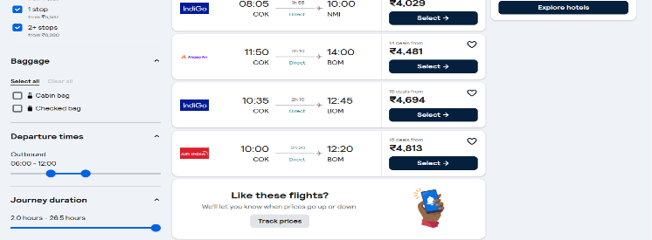
TC_06 | Filter by airline | 1. Search 2. Select specific airline filter | Airline: IndiGo | Flights only from IndiGo displayed | As expected | Pass | 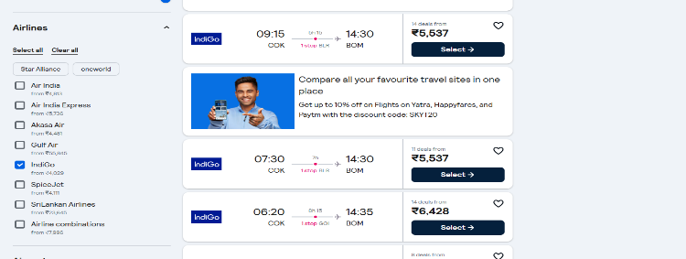
TC_07 | Sort by lowest price | 1. Search route 2. Click Sort → Lowest Price | Any route | Flights sorted from lowest to highest price | As expected | Pass | 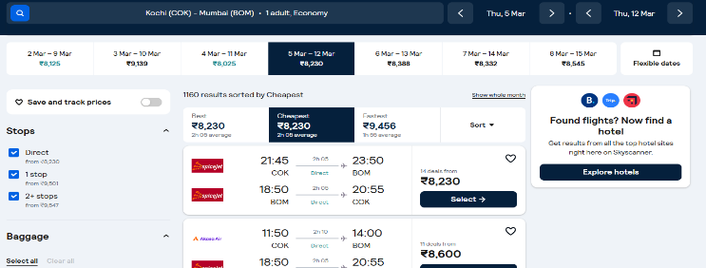
TC_08 | Successful flight booking | 1. Search flight 2. Select flight 3. Enter valid passenger details 4. Proceed to payment | Valid name, email, card details | Booking confirmation page displayed | As expected | Pass | 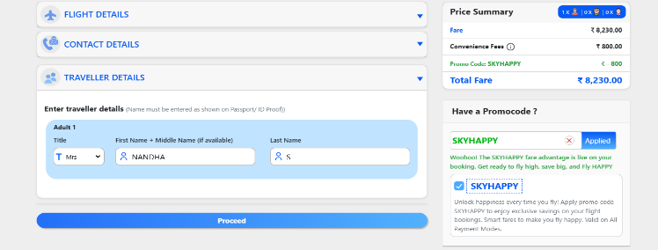
TC_09 | Apply flexible dates option | 1. Search with flexible dates option | Flexible ±3 days | System shows alternate date prices | As expected | Pass | 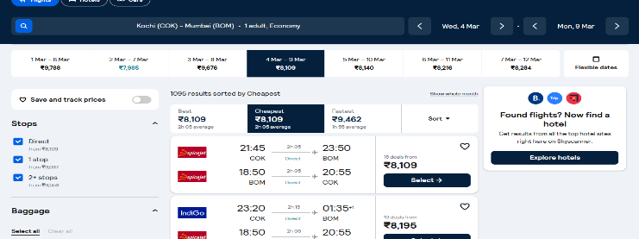
TC_10 | Search hotel from search bar | 1. Select Hotels tab 2. Enter city 3. Select dates 4. Click Search | City: Chennai | Available hotels displayed | As expected | Pass | 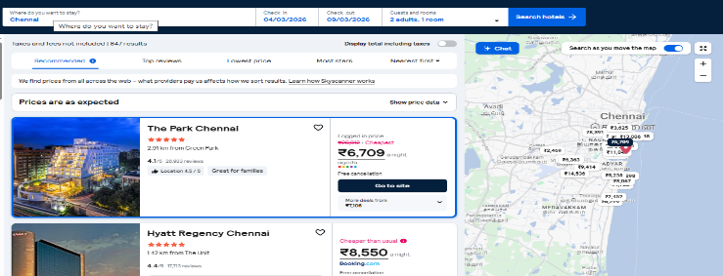
TC_11 | Search with past date | 1. Enter route 2. Select past date 3. Click Search | Date: 01-Jan-2024 | Error message: Invalid travel date | As expected | Pass | 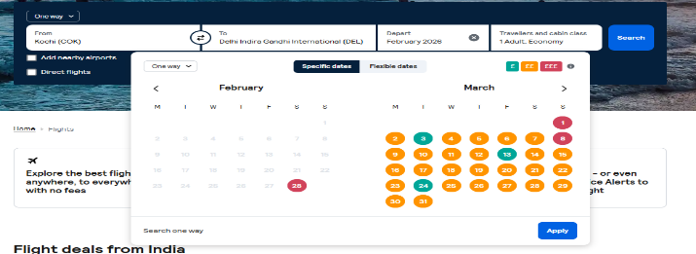
TC_12 | Search without entering destination | 1. Leave To field blank 2. Click Search | From: Delhi To: (blank) | Validation message displayed | As expected | Pass | 
TC_13 | Enter invalid city name | 1. Enter invalid city 2. Click Search | From: XYZ123 | Error or no results message displayed | As expected | Pass | 
TC_14 | Booking with invalid card details | 1. Select flight 2. Enter wrong card number 3. Pay | Card: 1234 5678 0000 0000 | Payment failed message displayed | As expected | Pass | 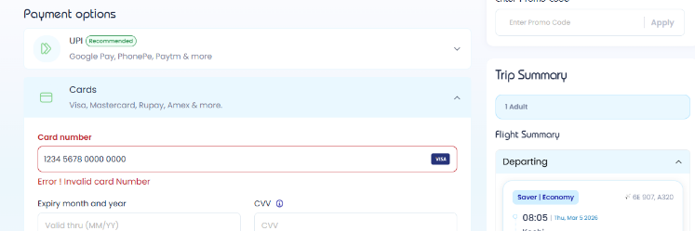
TC_15 | Filter with extreme price range | 1. Search flight 2. Set price very low (₹0–₹500) | ₹0–₹500 | No flights found message displayed | As expected | Pass | 

